Sheet1
 |  | Document No. | Issue No. | Issue Date |  | Review and Replace Date |  |  | Authorised By
 |  | GFF180MC | 1 | 11.06.2020 |  | New Issue |  |  | Magda Shah
 |  | Document Title | LENTIL MOUSSAKA & COCONUT BECHAMEL 800g - 2 PERSONS
Document amendments reason for change |  | New product launch |  | Page 1 of 1 | Previous Issue Date |  | New Issue |  | Uncontrolled copy unless signed original

FVLMCB-1R8TMC | MINDFUL CHEF |  | LENTIL MOUSSAKA & COCONUT BECHAMEL 800g │ FROZEN
STEP 1 |  |  | STEP 2 |  |  |  | STEP 3
 |  |  | 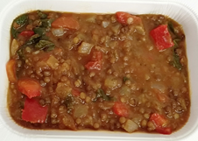 |  |  |  | 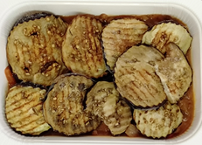

Tray: 2 PORTION TRAY (PKSOU002-02) |  |  | Lentil Mix (MC) (GFF258R): 525g |  |  |  | Roasted Aubergine Roundels (RMBOW001-04) 125g
Film: K-Peel 75G + AF 25 300mm (PKKMP001-02)
STEP 4 |  |  |  |  | STEP 5
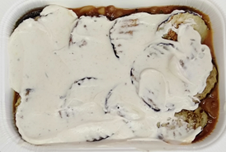 |  |  |  |  | 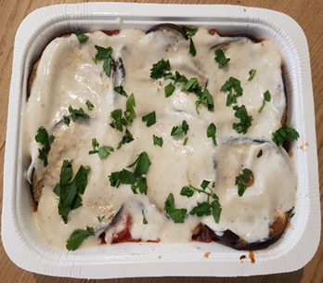
PACK DATE + 1 YEAR

Coconut Bechamel (MC) (GFF259R): 148g |  |  |  |  | Parsley Chopped RTE (RMIHF001-59) 2g |  |  | Total Weight: 800g

ALLERGY ALERT: None

